Project3655
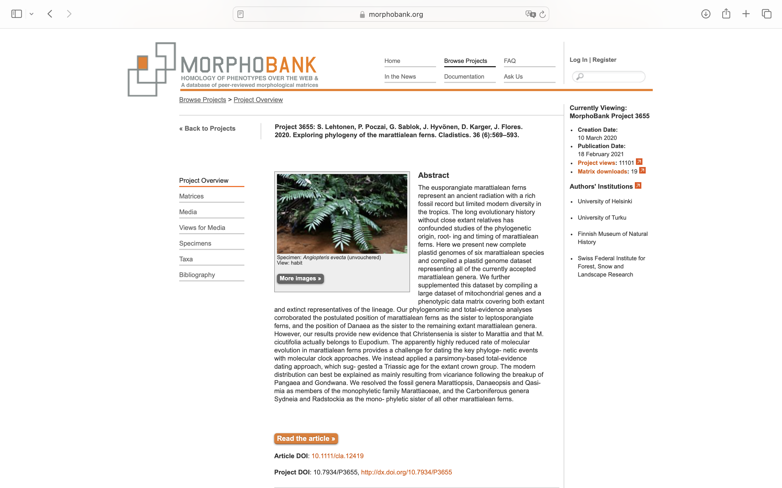
Charlabels | Character Pattern | Unseen States
[1] 'Lemma margins' | Transformational | YES
[2] 'Palea shape' | Transformational | YES
[3] 'Palae length' | Transformational | YES
[4] 'Callus shape' | Transformational | YES
[5] 'Awn' | Transformational | YES
[6] 'Compression of the floret' | Transformational | YES
[7] 'Awn or awn-like tip' | Transformational | YES
[8] 'Conspicuous crown' | Neomorphic | NO
[9] 'Glumes texture' | Transformational | YES
[10] 'Disarticulation of the awn or awnlike tip and the lemma ' | Neomorphic | NO
[11] 'Palea texture' | Transformational | YES
[12] 'Lemma texture' | Transformational | YES
[13] 'Glumes length' | Transformational | NO
[14] 'Lemma apex' | Transformational | YES

